Sheet1
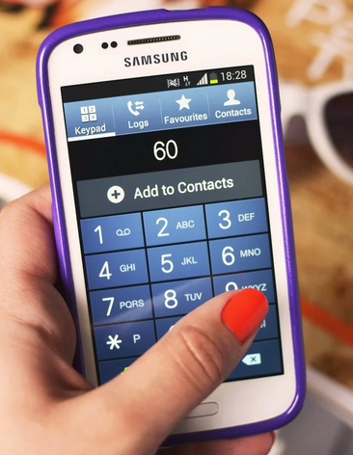
Words | Answer Expected
child | 222444445553
world | 96667775553
school | 777722244666666555
state | 777782833
morning | 666677766444664
information | 4446633366677762844466666
Encrypt the given words using Multi Tap Cipher. This cipher is based on old mobile phones' dialer.
Where 2 has to be pressed once to get A, twice to get B and thrice to get C.
Hence, A=2, B=22, C=222
Similarly, D=3, E=33, F=333
G=4, H=44, I=444, J=5, K=55, L=555, M=6, N=66, O=666, T=8, U=88, V=888
This has only two exceptions (as 4 letters are on no. 7 and 9 in dialer)
P=7, Q=77, R=777, S=7777
W=9, X=99, Y=999, Z=9999
business | 22887777444663377777777
president | 7777337777444333668
government | 46668883377766633668

